Part1
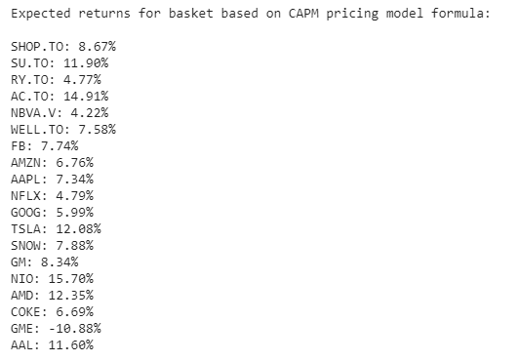
 |  |  |  |  |  |  | SHOP.TO | SU.TO | RY.TO | AC.TO
S17 | S18 | S19 | RiskFree |  | S1 | SHOP.TO | 0.25517 | 0.01708 | 0.02074 | 0.03582
6.69% | -10.88% | 11.60% | 1.80% |  | S2 | SU.TO | 0.01708 | 0.14440 | 0.04050 | 0.08584
 |  |  |  |  | S3 | RY.TO | 0.02074 | 0.04050 | 0.03654 | 0.03846
S17 | S18 | S19 | RiskFree |  | S4 | AC.TO | 0.03582 | 0.08584 | 0.03846 | 0.22754
0.02224 | -0.02222 | 0.03282 | 0 |  | S5 | NBVA.V | 0.04408 | 0.03074 | 0.02219 | 0.09536
0.02337 | 0.03485 | 0.08168 | 0 |  | S6 | WELL.TO | 0.05782 | 0.03190 | 0.01970 | 0.02375
0.02240 | 0.01690 | 0.04849 | 0 |  | S7 | FB | 0.06852 | 0.02777 | 0.02414 | 0.02582
0.03456 | 0.04616 | 0.14936 | 0 |  | S8 | AMZN | 0.07366 | 0.01489 | 0.01554 | 0.01369
0.01926 | 0.10322 | 0.01305 | 0 |  | S9 | AAPL | 0.06572 | 0.02697 | 0.02518 | 0.02663
0.02105 | 0.03234 | 0.03309 | 0 |  | S10 | NFLX | 0.08264 | 0.01503 | 0.01626 | 0.01596
0.02562 | 0.01551 | 0.02942 | 0 |  | S11 | GOOG | 0.05788 | 0.03283 | 0.02384 | 0.03184
0.01894 | 0.01499 | 0.02245 | 0 |  | S12 | TSLA | 0.09490 | 0.04003 | 0.02688 | 0.05266
0.02932 | 0.03748 | 0.03989 | 0 |  | S13 | SNOW | 0.15416 | 0.00828 | 0.00269 | 0.02907
0.01230 | -0.00027 | 0.02013 | 0 |  | S14 | GM | 0.03448 | 0.05736 | 0.03824 | 0.08306
0.02426 | 0.01661 | 0.03800 | 0 |  | S15 | NIO | 0.11193 | 0.05708 | 0.04165 | 0.07586
0.03336 | 0.06370 | 0.06218 | 0 |  | S16 | AMD | 0.11297 | 0.03176 | 0.02894 | 0.04665
0.01433 | -0.14492 | 0.04501 | 0 |  | S17 | COKE | 0.02224 | 0.02337 | 0.02240 | 0.03456
0.03339 | 0.05467 | 0.10524 | 0 |  | S18 | GME | -0.02222 | 0.03485 | 0.01690 | 0.04616
0.01848 | 0.15556 | 0.13047 | 0 |  | S19 | AAL | 0.03282 | 0.08168 | 0.04849 | 0.14936
0.03237 | 0.04840 | 0.05341 | 0
0.13556 | 0.04022 | 0.04388 | 0
0.04022 | 1.78379 | 0.10512 | 0
0.04388 | 0.10512 | 0.31248 | 0
0 | 0 | 0 | 0

23% | -39% | 13% | -100% | 100%

Efficient Frontier
 | Unconstrained |  | Constrained
0.00478 | 2 | 0.00556 | 2
0.05254 | 4 | 0.03334 | 3
0.10030 | 6 | 0.06112 | 4
0.14806 | 8 | 0.08891 | 5
0.19583 | 10 | 0.11669 | 6
0.24359 | 12 | 0.14448 | 7
0.29135 | 14 | 0.17226 | 8
0.33912 | 16 | 0.20004 | 9
0.38688 | 18 | 0.22783 | 10
0.43464 | 20 | 0.25561 | 11
0.48240 | 22 | 0.28451 | 12
0.53020 | 24 | 0.31787 | 13
0.57823 | 26 | 0.36731 | 14
0.62646 | 28 | 0.45435 | 15
0.67486 | 30
0.79639 | 35
0.92077 | 40
1.05797 | 45
1.20981 | 50
1.37484 | 55
1.55213 | 60
1.74658 | 65
1.95979 | 70
2.25339 | 75
...
52% | 23% | -39% | 13% | -100%
...
S16 | S17 | S18 | S19 | RiskFree
0.18% | 0.19% | -0.14% | 0.04% | 99.07%
1.97% | 2.12% | -1.58% | 0.39% | 89.74%
3.76% | 4.03% | -3.01% | 0.74% | 80.37%
5.56% | 5.96% | -4.44% | 1.10% | 71.05%
7.36% | 7.88% | -5.88% | 1.46% | 61.71%
9.15% | 9.82% | -7.31% | 1.81% | 52.38%
10.94% | 11.75% | -8.74% | 2.16% | 43.04%
12.71% | 13.70% | -10.16% | 2.39% | 33.27%
14.53% | 15.61% | -11.61% | 2.86% | 24.39%
16.33% | 17.52% | -13.05% | 3.23% | 15.08%
18.11% | 19.46% | -14.48% | 3.58% | 5.74%
19.94% | 21.22% | -15.91% | 3.67% | -6.17%
21.74% | 22.75% | -17.33% | 3.59% | -20.61%
23.61% | 24.26% | -18.78% | 3.53% | -35.11%
25.45% | 25.79% | -20.21% | 3.43% | -49.62%
30.08% | 29.57% | -23.78% | 3.18% | -85.82%
38.49% | 27.82% | -29.63% | 4.34% | -100.00%
52.21% | 22.67% | -38.70% | 12.92% | -100.00%
...

